Sheet1
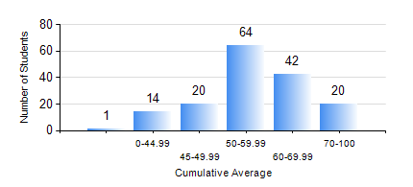
 |  |  | KWAME NKRUMAH UNIVERSITY OF SCIENCE AND TECHNOLOGY, KUMASI Department of Geological Engineering

 |  |  | BSC. GEOLOGICAL ENG.

 |  |  | COMPREHENSIVE RECORD OF EXAMINATION RESULTS

 |  |  | RESULTS OF YEAR 2 FIRST SEMESTER, 2024/2025 ACADEMIC YEAR

 | Sn | Course Code |  | Course Name | Credit Hours | Min. Mark | Max. Mark | Avg. Mark | Std. Dev. | No. Passed | No. Trailed | No. (Df) | No. (I) | No. (I*) | No. Tagged(I,I*,Df) | Total
 | 0. |  |  |  |  |  |  | 0 | 0 | 0 | 0 | 0 | 0 | 0 | 0 | 6
 | 1. | CE 251 |  | STRENGTH OF MATERIALS | 2 | 4 | 100 | 49 | 22.4 | 113 | 42 | 0 | 0 | 0 | 0 | 155
 | 2. | CE 255 |  | THEORY OF STRUCTURES | 3 | 27 | 97 | 55 | 18.26 | 130 | 25 | 0 | 0 | 0 | 0 | 155
 | 3. | CENG 291 |  | ENGINEERING IN SOCIETY | 2 | 45 | 87 | 73 | 7.41 | 155 | 0 | 0 | 0 | 0 | 0 | 155
 | 4. | GED 153 |  | ENGINEERING TECHNOLOGY | 1 | 55 | 55 | 55 | 0 | 1 | 0 | 0 | 0 | 0 | 0 | 1
 | 5. | GED 251 |  | MINERALOGY | 3 | 24 | 87 | 60 | 13.52 | 148 | 7 | 0 | 0 | 0 | 0 | 155
 | 6. | GED 253 |  | PHYSICAL GEOLOGY | 3 | 18 | 83 | 56 | 11.19 | 154 | 1 | 0 | 0 | 0 | 0 | 155
 | 7. | GED 267 |  | COMPUTER PROGRAMMING | 2 | 18 | 80 | 52 | 12.37 | 138 | 17 | 0 | 0 | 0 | 0 | 155
 | 8. | MATH 251 |  | DIFFERENTIAL EQUATIONS | 4 | 32 | 87 | 55 | 10.18 | 150 | 5 | 0 | 0 | 0 | 0 | 155

